VMT Comps 2010 Onondaga Urban
YR | 2010
SRUCODE | 3 | Urb/Rur | FunClass # | Functional Class | VMT
SRUNAME | URBAN AREA | Urb | 11/12 | Interstate/ Freeway | 4001825.9518 |  |  | Facility Type | HPMS | Model | Model Error | Previous Model Error
UA | 56 | Urb | 14 | Principal arterial | 1387644.6239 |  |  | Highway | 5,167,000 | 5,524,282 | 6.91% | 25%
UANAME | SYR | Urb | 16 | Minor arterial | 2152314.0161 |  |  | Arterial | 4,238,000 | 4,242,657 | 0.11% | -14%
UADVMT | 10248 | Urb | 17 | Urban Collector | 730647.60476 |  |  | Other | 3,545,000 | 2,406,815 | -32.11% | -33%
%CHG | 0.0075706756109 | Urb | 19 | Local roads | 304096.93048
 | 1 | Urb | 14 | Low capacity ramp | 41028.481239
 | 10248 | Urb | 11/12 | High capacity ramp | 225823.11104
PAI | 3832
%CHG | 0.0029411764706 |  |  | Facility Type | HPMS | Model | Model Error
PAOFE | 754 |  |  | Interstate/ Freeway | 4,586,000 | 4,227,880 | -7.8% |  | Red links only
%CHG | 0.051861702128 |  |  | Principal Arterial | 1,299,000 | 1,426,660 | 9.8% |  | COUNTY = "Onondaga" and UZA = 1
FREEXP | 4586 |  |  | Minor Arterial | 2,145,000 | 2,025,470 | -5.6%
%CHG | 0.011130899377 |  |  | Urban Collector | 814,000 | 646,782 | -20.5%
PAO | 1299 |  |  | Local Roads | 1,404,000 | 294,617 | -79.0%
%CHG | -0.017870439315 |  |  | Total | 10,248,000 | 8,621,409 | -15.9%
MNA | 2145 |  |  | Total (excluding local roads) | 8,844,000 | 8,326,792 | -5.8%
%CHG | 0.033598585323
ART | 3444
%CHG | 0.014424410541
MJC | 814
%CHG | -0.025751072961
MNC | 0
%CHG | #N/A
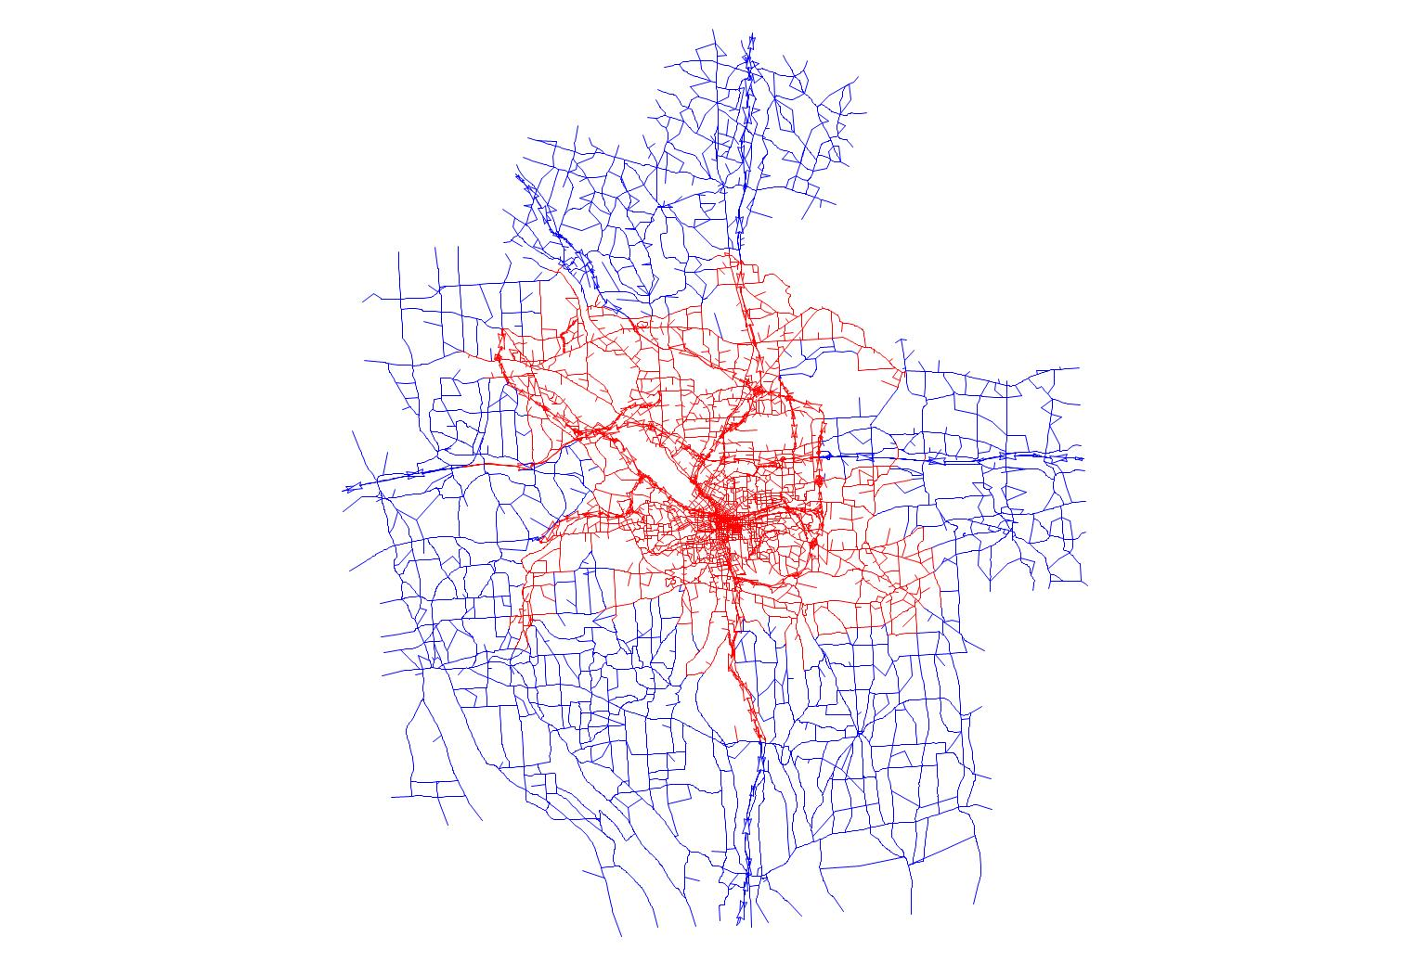
LCL | 1404
%CHG | 0
OTHER | 2218
%CHG | -0.010260795212

VMT Comps 2010 All Urban
YR | 2010
SRUCODE | 3 | Urb/Rur | FunClass # | Functional Class | VMT
SRUNAME | URBAN AREA | Urb | 11/12 | Interstate/ Freeway | 4001825.9518 |  |  | Facility Type | HPMS | Model | Model Error | Previous Model Error
UA | 56 | Urb | 14 | Principal arterial | 1387644.6239 |  |  | Highway | 5,167,000 | 5,524,282 | 6.91% | 25%
UANAME | SYR | Urb | 16 | Minor arterial | 2152314.0161 |  |  | Arterial | 4,238,000 | 4,242,657 | 0.11% | -14%
UADVMT | 10248 | Urb | 17 | Urban Collector | 730647.60476 |  |  | Other | 3,545,000 | 2,406,815 | -32.11% | -33%
%CHG | 0.0075706756109 | Urb | 19 | Local roads | 304096.93048
 | 1 | Urb | 14 | Low capacity ramp | 41028.481239
 | 10248 | Urb | 11/12 | High capacity ramp | 225823.11104
PAI | 3832
%CHG | 0.0029411764706 |  |  | Facility Type | HPMS | Model | Model Error |  | Green and Red links
PAOFE | 754 |  |  | Interstate/ Freeway | 4,586,000 | 4,589,755 | 0.1% |  | UZA = 1
%CHG | 0.051861702128 |  |  | Principal Arterial | 1,299,000 | 1,426,660 | 9.8%
FREEXP | 4586 |  |  | Minor Arterial | 2,145,000 | 2,078,259 | -3.1%
%CHG | 0.011130899377 |  |  | Urban Collector | 814,000 | 730,981 | -10.2%
PAO | 1299 |  |  | Local Roads | 1,404,000 | 307,859 | -78.1%
%CHG | -0.017870439315 |  |  | Total | 10,248,000 | 9,133,514 | -10.9%
MNA | 2145 |  |  | Total (excluding local roads) | 8,844,000 | 8,825,655 | -0.2%
%CHG | 0.033598585323
ART | 3444
%CHG | 0.014424410541
MJC | 814
%CHG | -0.025751072961
MNC | 0
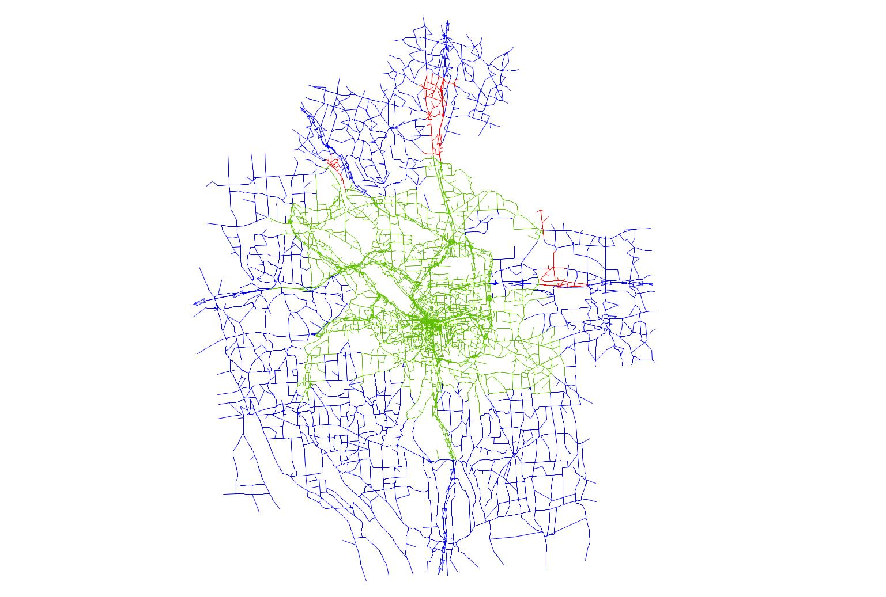
%CHG | #N/A
LCL | 1404
%CHG | 0
OTHER | 2218
%CHG | -0.010260795212

