Friction Factors
 |  |  |  |  | 28,507 | 139,173 | 139,173 | 219,113

Distribution Paramters by Trip Type |  |  |  | Time | HBW | Not HBW | HBO | NHB
Trip Type | A | B | C | 1 | 0.99 | 0.95 | 0.95 | 0.95
HBW | 28,507 | 0.823 | 0.010 | 2 | 0.55 | 0.33 | 0.33 | 0.33 | Opts.Global.[A List] | {28507, 139173, 139173, 219113} // Gamma Fct()
HBS | 139,173 | 1.456 | 0.052 | 3 | 0.39 | 0.17 | 0.17 | 0.17 | Opts.Global.[B List] | {.8225, 1.456, 1.456, 1.456}
HBO | 139,173 | 1.456 | 0.052 | 4 | 0.31 | 0.11 | 0.11 | 0.11 | Opts.Global.[C List] | {0.00994, 0.0516, 0.0516, 0.0516}
NHB | 219,113 | 1.456 | 0.052 | 5 | 0.25 | 0.07 | 0.07 | 0.07
 |  |  |  | 6 | 0.22 | 0.05 | 0.05 | 0.05
 |  |  |  | 7 | 0.19 | 0.04 | 0.04 | 0.04
Friction Factor Gamma Function |  |  |  | 8 | 0.17 | 0.03 | 0.03 | 0.03
f(d) = Ad-Be-Cd |  |  |  | 9 | 0.15 | 0.03 | 0.03 | 0.03
 |  |  |  | 10 | 0.14 | 0.02 | 0.02 | 0.02
 |  |  |  | 11 | 0.12 | 0.02 | 0.02 | 0.02
Friction Factors (scaled)
 |  |  |  | 12 | 0.11 | 0.01 | 0.01 | 0.01
 |  |  |  | 13 | 0.11 | 0.01 | 0.01 | 0.01
 |  |  |  | 14 | 0.10 | 0.01 | 0.01 | 0.01
 |  |  |  | 15 | 0.09 | 0.01 | 0.01 | 0.01
 |  |  |  | 16 | 0.09 | 0.01 | 0.01 | 0.01
 |  |  |  | 17 | 0.08 | 0.01 | 0.01 | 0.01
 |  |  |  | 18 | 0.08 | 0.01 | 0.01 | 0.01
 |  |  |  | 19 | 0.07 | 0.01 | 0.01 | 0.01
 |  |  |  | 20 | 0.07 | 0.00 | 0.00 | 0.00
 |  |  |  | 21 | 0.07 | 0.00 | 0.00 | 0.00
 |  |  |  | 22 | 0.06 | 0.00 | 0.00 | 0.00
 |  |  |  | 23 | 0.06 | 0.00 | 0.00 | 0.00
 |  |  |  | 24 | 0.06 | 0.00 | 0.00 | 0.00
 |  |  |  | 25 | 0.06 | 0.00 | 0.00 | 0.00
 |  |  |  | 26 | 0.05 | 0.00 | 0.00 | 0.00
 |  |  |  | 27 | 0.05 | 0.00 | 0.00 | 0.00
 |  |  |  | 28 | 0.05 | 0.00 | 0.00 | 0.00
 |  |  |  | 29 | 0.05 | 0.00 | 0.00 | 0.00
 |  |  |  | 30 | 0.05 | 0.00 | 0.00 | 0.00
 |  |  |  | 31 | 0.04 | 0.00 | 0.00 | 0.00
 |  |  |  | 32 | 0.04 | 0.00 | 0.00 | 0.00
 |  |  |  | 33 | 0.04 | 0.00 | 0.00 | 0.00
 |  |  |  | 34 | 0.04 | 0.00 | 0.00 | 0.00
 |  |  |  | 35 | 0.04 | 0.00 | 0.00 | 0.00
 |  |  |  | 36 | 0.04 | 0.00 | 0.00 | 0.00
 |  |  |  | 37 | 0.04 | 0.00 | 0.00 | 0.00
 |  |  |  | 38 | 0.03 | 0.00 | 0.00 | 0.00
 |  |  |  | 39 | 0.03 | 0.00 | 0.00 | 0.00
 |  |  |  | 40 | 0.03 | 0.00 | 0.00 | 0.00
 |  |  |  | 41 | 0.03 | 0.00 | 0.00 | 0.00
 |  |  |  | 42 | 0.03 | 0.00 | 0.00 | 0.00
 |  |  |  | 43 | 0.03 | 0.00 | 0.00 | 0.00
 |  |  |  | 44 | 0.03 | 0.00 | 0.00 | 0.00
 |  |  |  | 45 | 0.03 | 0.00 | 0.00 | 0.00
 |  |  |  | 46 | 0.03 | 0.00 | 0.00 | 0.00
 |  |  |  | 47 | 0.03 | 0.00 | 0.00 | 0.00
 |  |  |  | 48 | 0.03 | 0.00 | 0.00 | 0.00
 |  |  |  | 49 | 0.03 | 0.00 | 0.00 | 0.00
 |  |  |  | 50 | 0.02 | 0.00 | 0.00 | 0.00
 |  |  |  | 51 | 0.02 | 0.00 | 0.00 | 0.00
 |  |  |  | 52 | 0.02 | 0.00 | 0.00 | 0.00
 |  |  |  | 53 | 0.02 | 0.00 | 0.00 | 0.00
 |  |  |  | 54 | 0.02 | 0.00 | 0.00 | 0.00
 |  |  |  | 55 | 0.02 | 0.00 | 0.00 | 0.00
 |  |  |  | 56 | 0.02 | 0.00 | 0.00 | 0.00
 |  |  |  | 57 | 0.02 | 0.00 | 0.00 | 0.00
 |  |  |  | 58 | 0.02 | 0.00 | 0.00 | 0.00
 |  |  |  | 59 | 0.02 | 0.00 | 0.00 | 0.00
 |  |  |  | 60 | 0.02 | 0.00 | 0.00 | 0.00
 |  |  |  | 61 | 0.02 | 0.00 | 0.00 | 0.00
 |  |  |  | 62 | 0.02 | 0.00 | 0.00 | 0.00
 |  |  |  | 63 | 0.02 | 0.00 | 0.00 | 0.00
 |  |  |  | 64 | 0.02 | 0.00 | 0.00 | 0.00
 |  |  |  | 65 | 0.02 | 0.00 | 0.00 | 0.00
 |  |  |  | 66 | 0.02 | 0.00 | 0.00 | 0.00
 |  |  |  | 67 | 0.02 | 0.00 | 0.00 | 0.00
 |  |  |  | 68 | 0.02 | 0.00 | 0.00 | 0.00
 |  |  |  | 69 | 0.02 | 0.00 | 0.00 | 0.00
 |  |  |  | 70 | 0.02 | 0.00 | 0.00 | 0.00
 |  |  |  | 71 | 0.01 | 0.00 | 0.00 | 0.00
 |  |  |  | 72 | 0.01 | 0.00 | 0.00 | 0.00
 |  |  |  | 73 | 0.01 | 0.00 | 0.00 | 0.00
 |  |  |  | 74 | 0.01 | 0.00 | 0.00 | 0.00
 |  |  |  | 75 | 0.01 | 0.00 | 0.00 | 0.00
 |  |  |  | 76 | 0.01 | 0.00 | 0.00 | 0.00
 |  |  |  | 77 | 0.01 | 0.00 | 0.00 | 0.00
 |  |  |  | 78 | 0.01 | 0.00 | 0.00 | 0.00
 |  |  |  | 79 | 0.01 | 0.00 | 0.00 | 0.00
 |  |  |  | 80 | 0.01 | 0.00 | 0.00 | 0.00

HWY Network Images
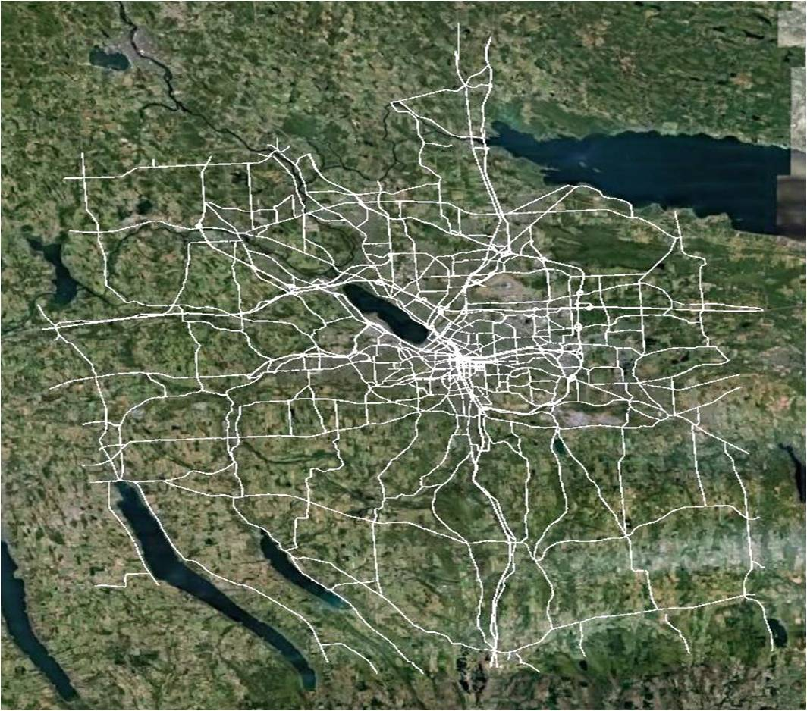

TAZ System Images
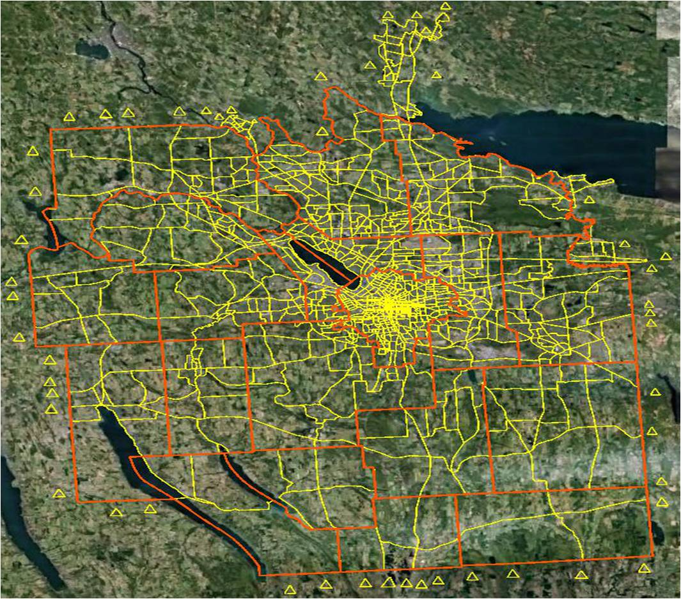

GUI Images
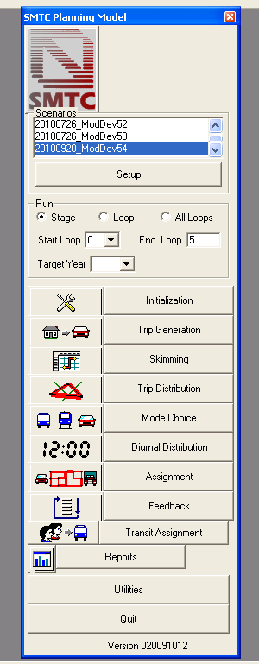

TLD Dist Comp
Based on data in :
Q:\WGX\09023 - I-81 Syracuse\Model\SMTC_Model_v3p023a\_ESRI & Data Exports\2007 TLD\TLD_Data.xlsx

 |  |  |  |  | HBW |  | HBS |  | HBO |  | NHB |  | NHBW
 | Mod | Obs | Bin | Range | Obs | Mod | Obs | Mod | Obs | Mod | Obs | Mod | Obs
HBW | 9.9 | 9.01 | 0 | 0-2 | 10.5 | 8.5 | 29.6 | 19.5 | 26.2 | 22.8 | 24.1 | 28.7 | 26.2
HBW Trip Distance Distribution
HBS | 6.3 | 5.18 | 2 | 2-4 | 16.7 | 14.9 | 21.6 | 23.9 | 20.8 | 23.4 | 23.8 | 23.0 | 21.9
HBO | 6.2 | 6.03 | 4 | 4-6 | 11.1 | 12.4 | 15.8 | 16.0 | 18.6 | 14.6 | 14.1 | 15.1 | 16.6
NHB | 5.4 | 6.08 | 6 | 6-8 | 15.5 | 11.6 | 13.5 | 11.8 | 9.5 | 10.6 | 11.4 | 10.9 | 10.9
 |  |  | 8 | 8-10 | 10.7 | 10.3 | 5.3 | 8.6 | 7.2 | 8.1 | 9.2 | 7.0 | 7.5
 |  |  | 10 | 10-12 | 9.2 | 9.2 | 2.5 | 6.2 | 3.3 | 6.2 | 3.9 | 5.0 | 3.3
 |  |  | 12 | 12-14 | 7.4 | 8.2 | 7.6 | 4.5 | 4.9 | 4.6 | 4.8 | 3.6 | 5.4
 |  |  | 14 | 14-16 | 4.9 | 6.5 | 1.0 | 3.2 | 1.7 | 3.2 | 0.3 | 2.3 | 1.2
 |  |  | 16 | 16-18 | 1.8 | 5.0 | 1.9 | 2.1 | 1.5 | 2.2 | 3.0 | 1.6 | 2.1
 |  |  | 18 | 18-20 | 4.2 | 3.9 | 0.7 | 1.5 | 3.3 | 1.5 | 1.1 | 1.1 | 2.1
 |  |  | 20 | 20-22 | 3.2 | 2.9 | 0.5 | 1.1 | 0.2 | 1.0 | 1.8 | 0.7 | 0.8
 |  |  | 22 | 22-24 | 1.6 | 2.3 | 0.0 | 0.7 | 1.5 | 0.7 | 0.9 | 0.4 | 1.0
 |  |  | 24 | 24-26 | 0.9 | 1.6 | 0.0 | 0.4 | 0.0 | 0.4 | 0.9 | 0.3 | 0.3
 |  |  | 26 | 26-28 | 0.6 | 1.1 | 0.0 | 0.2 | 0.4 | 0.3 | 0.0 | 0.2 | 0.2
 |  |  | 28 | 28-30 | 0.4 | 0.6 | 0.0 | 0.1 | 0.0 | 0.1 | 0.0 | 0.1 | 0.0
 |  |  | 30 | 30-32 | 0.2 | 0.4 | 0.0 | 0.1 | 0.2 | 0.1 | 0.0 | 0.0 | 0.1
 |  |  | 32 | 32-34 | 0.7 | 0.2 | 0.0 | 0.0 | 0.4 | 0.0 | 0.4 | 0.0 | 0.3
HBS Trip Distance Distribution
 |  |  | 34 | 34-36 | 0.4 | 0.2 | 0.0 | 0.0 | 0.0 | 0.0 | 0.0 | 0.0 | 0.0

 |  |  |  |  | Average Trip Distance (miles)

 |  |  |  |  | Trip Type | Observed | Model
 |  |  |  |  | HBW | 9.0 | 9.9
 |  |  |  |  | HBS | 5.2 | 6.3
 |  |  |  |  | HBO | 6.0 | 6.2
 |  |  |  |  | NHB | 6.1 | 5.4

HBO Trip Distance Distribution
Bin | BinMax | HBW_Dist | HBS_Dist | HBO_Dist | NHB_Dist
0-1 | 1 | 2.284326 | 6.192778 | 7.716583 | 12.932557
1-2 | 2 | 6.190614 | 13.334758 | 15.090636 | 15.81152
2-3 | 3 | 7.661834 | 13.189544 | 13.214764 | 12.592757
3-4 | 4 | 7.231996 | 10.755289 | 10.135722 | 10.39538
4-5 | 5 | 6.294669 | 8.467319 | 7.988647 | 8.107112
5-6 | 6 | 6.075509 | 7.498578 | 6.63418 | 6.986315
6-7 | 7 | 5.965674 | 6.413519 | 5.672855 | 5.902805
7-8 | 8 | 5.635381 | 5.352149 | 4.947828 | 5.016582
8-9 | 9 | 5.320815 | 4.630096 | 4.312824 | 3.83698
9-10 | 10 | 5.021322 | 3.953882 | 3.803545 | 3.145348
10-11 | 11 | 4.693615 | 3.304733 | 3.245351 | 2.684511
11-12 | 12 | 4.531077 | 2.868579 | 2.939808 | 2.325984
12-13 | 13 | 4.232444 | 2.457318 | 2.449298 | 2.011234
13-14 | 14 | 4.009455 | 2.08943 | 2.192513 | 1.613058
NHB Trip Distance Distribution
14-15 | 15 | 3.456715 | 1.725635 | 1.789838 | 1.253269
15-16 | 16 | 3.015636 | 1.432655 | 1.427538 | 1.018389
16-17 | 17 | 2.67591 | 1.12762 | 1.198323 | 0.867487
17-18 | 18 | 2.316748 | 0.966697 | 0.985661 | 0.691072
18-19 | 19 | 2.028319 | 0.816787 | 0.826427 | 0.576636
19-20 | 20 | 1.866357 | 0.695132 | 0.683274 | 0.476257
20-21 | 21 | 1.547503 | 0.564743 | 0.567436 | 0.375593
21-22 | 22 | 1.371489 | 0.487884 | 0.456542 | 0.296699
22-23 | 23 | 1.259275 | 0.372235 | 0.382523 | 0.251183
23-24 | 24 | 1.037466 | 0.304023 | 0.298343 | 0.187765
24-25 | 25 | 0.846632 | 0.25049 | 0.246682 | 0.153247
25-26 | 26 | 0.733856 | 0.183094 | 0.201341 | 0.122711
26-27 | 27 | 0.592147 | 0.130401 | 0.159287 | 0.093869
27-28 | 28 | 0.47192 | 0.110246 | 0.10976 | 0.072821
28-29 | 29 | 0.352061 | 0.084955 | 0.078767 | 0.052518
29-30 | 30 | 0.282969 | 0.06306 | 0.065831 | 0.041367
30-31 | 31 | 0.209986 | 0.046378 | 0.049066 | 0.027752
31-32 | 32 | 0.169184 | 0.03075 | 0.033092 | 0.019155
32-33 | 33 | 0.134628 | 0.02546 | 0.023327 | 0.015274
33-34 | 34 | 0.107009 | 0.018408 | 0.018104 | 0.011
34-35 | 35 | 0.083659 | 0.013743 | 0.01408 | 0.008984
35-36 | 36 | 0.071802 | 0.012465 | 0.01067 | 0.007369
36-37 | 37 | 0.055329 | 0.008054 | 0.010721 | 0.004766
37-38 | 38 | 0.037863 | 0.005413 | 0.005145 | 0.003726
38-39 | 39 | 0.031233 | 0.005385 | 0.003589 | 0.002716
39-40 | 40 | 0.025321 | 0.003354 | 0.002869 | 0.002095
40-41 | 41 | 0.016811 | 0.001581 | 0.001924 | 0.001108
41-42 | 42 | 0.013831 | 0.001726 | 0.001507 | 0.000947
42-43 | 43 | 0.011972 | 0.001374 | 0.001158 | 0.000745
43-44 | 44 | 0.010576 | 0.000929 | 0.000973 | 0.000555
44-45 | 45 | 0.006627 | 0.000494 | 0.000609 | 0.000307
45-46 | 46 | 0.004104 | 0.000321 | 0.000416 | 0.00019
46-47 | 47 | 0.002339 | 0.000141 | 0.000252 | 0.000105
47-48 | 48 | 0.001663 | 0.000061 | 0.000157 | 0.000059
48-49 | 49 | 0.000753 | 0.00005 | 0.000088 | 0.000047
49-50 | 50 | 0.000824 | 0.000156 | 0.00006 | 0.000042
50-51 | 51 | 0.000208 | 0.000036 | 0.000022 | 0.000009
51-52 | 52 | 0.000162 | 0.000019 | 0.000013 | 0.000006
52-53 | 53 | 0.000117 | 0.00002 | 0.000011 | 0.000005
53-54 | 54 | 0.000091 | 0.000016 | 0.000009 | 0.000004
54-55 | 55 | 0.00008 | 0.000018 | 0.000007 | 0.000004
55-56 | 56 | 0.000064 | 0.000013 | 0.000007 | 0.000003
56-57 | 57 | 0.00003 | 0.000005 | 0.000002 | 0.000001
57-58 | 58 | 0 | 0 | 0 | 0
58-59 | 59 | 0 | 0 | 0 | 0
59-60 | 60 | 0 | 0 | 0 | 0
60-61 | 61 | 0 | 0 | 0 | 0
61-62 | 62 | 0 | 0 | 0 | 0
62-63 | 63 | 0 | 0 | 0 | 0
63-64 | 64 | 0 | 0 | 0 | 0
64-65 | 65 | 0 | 0 | 0 | 0
65-66 | 66 | 0 | 0 | 0 | 0
66-67 | 67 | 0 | 0 | 0 | 0
67-68 | 68 | 0 | 0 | 0 | 0
68-69 | 69 | 0 | 0 | 0 | 0
69-70 | 70 | 0 | 0 | 0 | 0
70-71 | 71 | 0 | 0 | 0 | 0
71-72 | 72 | 0 | 0 | 0 | 0
72-73 | 73 | 0 | 0 | 0 | 0
73-74 | 74 | 0 | 0 | 0 | 0
74-75 | 75 | 0 | 0 | 0 | 0
75-76 | 76 | 0 | 0 | 0 | 0
76-77 | 77 | 0 | 0 | 0 | 0
77-78 | 78 | 0 | 0 | 0 | 0
78-79 | 79 | 0 | 0 | 0 | 0
79-80 | 80 | 0 | 0 | 0 | 0
80-81 | 81 | 0 | 0 | 0 | 0
81-82 | 82 | 0 | 0 | 0 | 0
82-83 | 83 | 0 | 0 | 0 | 0
83-84 | 84 | 0 | 0 | 0 | 0
84-85 | 85 | 0 | 0 | 0 | 0
85-86 | 86 | 0 | 0 | 0 | 0
86-87 | 87 | 0 | 0 | 0 | 0
87-88 | 88 | 0 | 0 | 0 | 0
88-89 | 89 | 0 | 0 | 0 | 0
89-90 | 90 | 0 | 0 | 0 | 0
90-91 | 91 | 0 | 0 | 0 | 0
91-92 | 92 | 0 | 0 | 0 | 0
92-93 | 93 | 0 | 0 | 0 | 0
93-94 | 94 | 0 | 0 | 0 | 0
94-95 | 95 | 0 | 0 | 0 | 0
95-96 | 96 | 0 | 0 | 0 | 0
96-97 | 97 | 0 | 0 | 0 | 0
97-98 | 98 | 0 | 0 | 0 | 0
98-99 | 99 | 0 | 0 | 0 | 0
99-100 | 100 | 0 | 0 | 0 | 0

TLD Time Comp
Based on data in :
Q:\WGX\09023 - I-81 Syracuse\Model Updates\Performance Tracking\Distribution Comparisons\Mod Dev 46\MedDistrict_DistributionAnalysisv3.xls

HBW Trip Time Distribution
 |  |  |  |  | HBW |  | HBS |  | HBO |  | NHB
 | Mod | Obs | Bin | Range | Obs | Mod | Obs | Mod | Obs | Mod | Obs | Mod
HBW | 17.8 | 19.37 | 0 | 0-3 | 4.2 | 2.8 | 12.6 | 10.3 | 15.1 | 12.7 | 9.2 | 18.0
HBS | 11.0 | 10.32 | 3 | 3-6 | 9.5 | 7.1 | 24.5 | 19.3 | 19.1 | 18.7 | 21.0 | 20.5
HBO | 10.9 | 11.88 | 6 | 6-9 | 7.8 | 9.8 | 13.5 | 17.5 | 13.0 | 17.0 | 16.1 | 17.0
NHB | 9.4 | 12.32 | 9 | 9-12 | 8.4 | 11.6 | 15.1 | 15.1 | 14.8 | 14.1 | 9.4 | 14.8
 |  |  | 12 | 12-15 | 10.7 | 12.2 | 12.5 | 12.5 | 8.9 | 11.6 | 10.6 | 11.1
 |  |  | 15 | 15-18 | 7.7 | 11.8 | 5.6 | 9.0 | 8.0 | 8.9 | 13.5 | 7.2
 |  |  | 18 | 18-21 | 7.7 | 11.0 | 3.5 | 6.1 | 4.7 | 6.3 | 5.4 | 4.6
 |  |  | 21 | 21-24 | 11.8 | 9.5 | 8.4 | 4.1 | 3.9 | 4.1 | 2.8 | 2.9
 |  |  | 24 | 24-27 | 9.9 | 7.4 | 2.8 | 2.5 | 3.9 | 2.7 | 6.4 | 1.6
 |  |  | 27 | 27-30 | 6.5 | 5.4 | 0.1 | 1.5 | 2.5 | 1.7 | 1.0 | 0.9
 |  |  | 30 | 30-33 | 3.4 | 4.1 | 0.0 | 0.9 | 1.5 | 1.0 | 1.7 | 0.6
 |  |  | 33 | 33-36 | 3.9 | 2.8 | 0.9 | 0.5 | 0.9 | 0.5 | 0.2 | 0.3
 |  |  | 36 | 36-39 | 2.1 | 1.8 | 0.5 | 0.3 | 1.8 | 0.3 | 0.5 | 0.2
 |  |  | 39 | 39-42 | 2.4 | 1.1 | 0.0 | 0.1 | 0.0 | 0.1 | 0.7 | 0.1
 |  |  | 42 | 42-45 | 1.2 | 0.7 | 0.0 | 0.1 | 1.2 | 0.1 | 1.3 | 0.1
 |  |  | 45 | 45-48 | 1.3 | 0.4 | 0.0 | 0.0 | 0.5 | 0.0 | 0.0 | 0.0
HBS Trip Time Distribution
 |  |  | 48 | 48-51 | 0.7 | 0.2 | 0.0 | 0.0 | 0.0 | 0.0 | 0.0 | 0.0
 |  |  | 51 | 51-54 | 0.4 | 0.2 | 0.0 | 0.0 | 0.0 | 0.0 | 0.0 | 0.0
 |  |  | 54 | 54-57 | 0.0 | 0.1 | 0.0 | 0.0 | 0.0 | 0.0 | 0.2 | 0.0
 |  |  | 57 | 57-60 | 0.0 | 0.0 | 0.0 | 0.0 | 0.0 | 0.0 | 0.0 | 0.0
 |  |  | 60 | 60-63 | 0.4 | 0.0 | 0.0 | 0.0 | 0.0 | 0.0 | 0.0 | 0.0

 |  |  |  | Average Trip Times (minutes)

HBO Trip Time Distribution
 |  |  |  | Trip Type | Observed | Model
 |  |  |  | HBW | 19.4 | 17.8
 |  |  |  | HBS | 10.3 | 11.0
 |  |  |  | HBO | 11.9 | 10.9
 |  |  |  | NHB | 12.3 | 9.4

Bin | BinMax | HBW_TT | HBS_TT | HBO_TT | NHB_TT
0-1 | 1 | 0.1934 | 0.616237 | 0.963577 | 1.849454
1-2 | 2 | 1.046336 | 4.104793 | 5.042077 | 8.448362
2-3 | 3 | 1.53676 | 5.617914 | 6.72467 | 7.711803
3-4 | 4 | 1.963296 | 6.34017 | 6.37107 | 7.019159
4-5 | 5 | 2.364516 | 6.444397 | 6.321645 | 7.236146
5-6 | 6 | 2.724243 | 6.509587 | 6.02797 | 6.221658
6-7 | 7 | 3.009221 | 5.868123 | 5.879242 | 5.864604
7-8 | 8 | 3.269358 | 6.158243 | 5.742514 | 5.748487
NHB Trip Time Distribution
8-9 | 9 | 3.489951 | 5.450734 | 5.360469 | 5.409151
9-10 | 10 | 3.729289 | 5.242664 | 4.975906 | 5.263501
10-11 | 11 | 3.861103 | 5.117161 | 4.764258 | 4.873786
11-12 | 12 | 4.012256 | 4.782054 | 4.390824 | 4.687882
12-13 | 13 | 4.095583 | 4.561243 | 4.172827 | 4.211845
13-14 | 14 | 4.103938 | 4.041562 | 3.853058 | 3.71738
14-15 | 15 | 4.02153 | 3.900113 | 3.541625 | 3.191331
15-16 | 16 | 3.92053 | 3.425142 | 3.270878 | 2.749047
16-17 | 17 | 3.90749 | 3.004551 | 3.004266 | 2.417867
17-18 | 18 | 3.94466 | 2.611919 | 2.661987 | 2.074193
18-19 | 19 | 3.723203 | 2.344427 | 2.417686 | 1.781779
19-20 | 20 | 3.724993 | 2.028844 | 2.110553 | 1.500473
20-21 | 21 | 3.538911 | 1.684054 | 1.810187 | 1.313413
21-22 | 22 | 3.366154 | 1.538285 | 1.576142 | 1.108605
22-23 | 23 | 3.138183 | 1.361046 | 1.347896 | 0.977178
23-24 | 24 | 2.962469 | 1.210624 | 1.198014 | 0.809404
24-25 | 25 | 2.638918 | 0.948244 | 1.039521 | 0.646786
25-26 | 26 | 2.462962 | 0.852865 | 0.903264 | 0.536428
26-27 | 27 | 2.252504 | 0.73646 | 0.774095 | 0.446183
27-28 | 28 | 2.002747 | 0.577481 | 0.646813 | 0.360948
28-29 | 29 | 1.791539 | 0.508185 | 0.550368 | 0.312127
29-30 | 30 | 1.652783 | 0.444964 | 0.467809 | 0.257063
30-31 | 31 | 1.52296 | 0.348047 | 0.372102 | 0.219118
31-32 | 32 | 1.377979 | 0.317497 | 0.323011 | 0.193896
32-33 | 33 | 1.221032 | 0.245498 | 0.25931 | 0.156217
33-34 | 34 | 1.101183 | 0.194978 | 0.232475 | 0.127865
34-35 | 35 | 0.917627 | 0.164404 | 0.183317 | 0.107912
35-36 | 36 | 0.784608 | 0.132613 | 0.128717 | 0.081621
36-37 | 37 | 0.684246 | 0.102078 | 0.110383 | 0.070349
37-38 | 38 | 0.653797 | 0.081599 | 0.096048 | 0.057362
38-39 | 39 | 0.501331 | 0.075438 | 0.068738 | 0.047016
39-40 | 40 | 0.426905 | 0.050689 | 0.059794 | 0.037118
40-41 | 41 | 0.38376 | 0.044917 | 0.049716 | 0.030628
41-42 | 42 | 0.327477 | 0.03967 | 0.038517 | 0.025133
42-43 | 43 | 0.270526 | 0.033826 | 0.030077 | 0.021652
43-44 | 44 | 0.208499 | 0.023946 | 0.024149 | 0.015687
44-45 | 45 | 0.1913 | 0.021869 | 0.02058 | 0.014344
45-46 | 46 | 0.163545 | 0.016917 | 0.017175 | 0.009979
46-47 | 47 | 0.131842 | 0.013471 | 0.015265 | 0.007335
47-48 | 48 | 0.119218 | 0.00981 | 0.014648 | 0.006716
48-49 | 49 | 0.080839 | 0.00865 | 0.00782 | 0.005123
49-50 | 50 | 0.081179 | 0.009308 | 0.008706 | 0.00464
50-51 | 51 | 0.072267 | 0.006801 | 0.006055 | 0.003261
51-52 | 52 | 0.052596 | 0.004165 | 0.004231 | 0.002294
52-53 | 53 | 0.053275 | 0.009193 | 0.003236 | 0.001789
53-54 | 54 | 0.044161 | 0.002251 | 0.005905 | 0.001727
54-55 | 55 | 0.036438 | 0.002343 | 0.002313 | 0.001393
55-56 | 56 | 0.027228 | 0.001369 | 0.001587 | 0.000974
56-57 | 57 | 0.025875 | 0.001401 | 0.001091 | 0.000792
57-58 | 58 | 0.020087 | 0.001118 | 0.001026 | 0.000551
58-59 | 59 | 0.015619 | 0.000778 | 0.000708 | 0.000349
59-60 | 60 | 0.012493 | 0.001082 | 0.000589 | 0.000298
60-61 | 61 | 0.009847 | 0.000743 | 0.000479 | 0.000239
61-62 | 62 | 0.008421 | 0.000331 | 0.000217 | 0.000142
62-63 | 63 | 0.006328 | 0.000227 | 0.00018 | 0.000118
63-64 | 64 | 0.003474 | 0.000186 | 0.000179 | 0.000083
64-65 | 65 | 0.003608 | 0.000112 | 0.0001 | 0.00007
65-66 | 66 | 0.002534 | 0.000184 | 0.000072 | 0.000048
66-67 | 67 | 0.002159 | 0.000145 | 0.000102 | 0.000044
67-68 | 68 | 0.001313 | 0.000073 | 0.000059 | 0.000027
68-69 | 69 | 0.000679 | 0.000039 | 0.000031 | 0.000012
69-70 | 70 | 0.000953 | 0.00005 | 0.000027 | 0.000011
70-71 | 71 | 0.000556 | 0.000028 | 0.000017 | 0.000007
71-72 | 72 | 0.000436 | 0.000014 | 0.000009 | 0.000005
72-73 | 73 | 0.000247 | 0.000016 | 0.000007 | 0.000003
73-74 | 74 | 0.000196 | 0.000013 | 0.000006 | 0.000003
74-75 | 75 | 0.000153 | 0.000007 | 0.000005 | 0.000002
75-76 | 76 | 0.000088 | 0.000012 | 0.000004 | 0.000002
76-77 | 77 | 0.000058 | 0.000004 | 0.000004 | 0.000002
77-78 | 78 | 0.000059 | 0.000006 | 0.000002 | 0.000001
78-79 | 79 | 0.000035 | 0.000001 | 0.000001 | 0
79-80 | 80 | 0.00006 | 0 | 0 | 0
80-81 | 81 | 0.000038 | 0 | 0 | 0
81-82 | 82 | 0.000022 | 0 | 0 | 0
82-83 | 83 | 0.000012 | 0 | 0 | 0
83-84 | 84 | 0.000004 | 0 | 0 | 0
84-85 | 85 | 0 | 0 | 0 | 0
85-86 | 86 | 0 | 0 | 0 | 0
86-87 | 87 | 0 | 0 | 0 | 0
87-88 | 88 | 0 | 0 | 0 | 0
88-89 | 89 | 0 | 0 | 0 | 0
89-90 | 90 | 0 | 0 | 0 | 0
90-91 | 91 | 0 | 0 | 0 | 0
91-92 | 92 | 0 | 0 | 0 | 0
92-93 | 93 | 0 | 0 | 0 | 0
93-94 | 94 | 0 | 0 | 0 | 0
94-95 | 95 | 0 | 0 | 0 | 0
95-96 | 96 | 0 | 0 | 0 | 0
96-97 | 97 | 0 | 0 | 0 | 0
97-98 | 98 | 0 | 0 | 0 | 0
98-99 | 99 | 0 | 0 | 0 | 0
99-100 | 100 | 0 | 0 | 0 | 0

